Detailed Investigation Result
Detailed Investigation Result

 |  | Current Validation

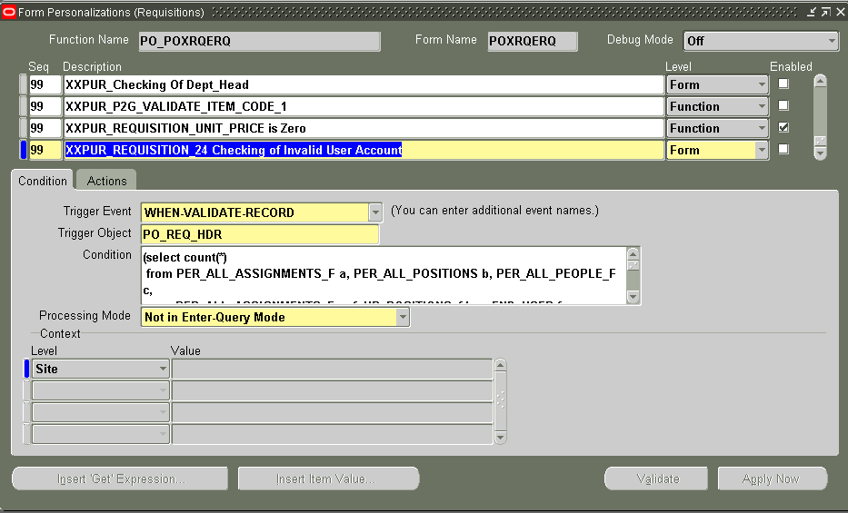
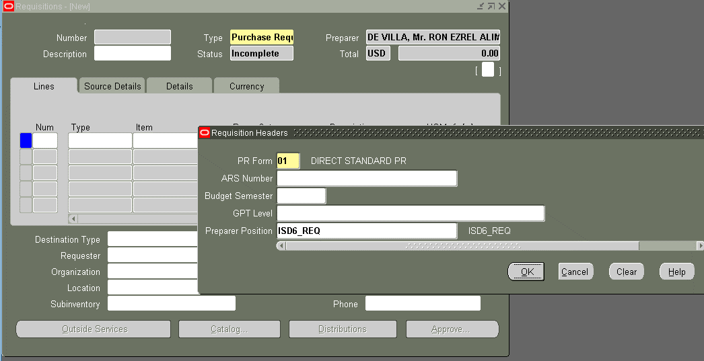

 | Script |  |  |  | Scope of the validation (Sample Hierarchy)
 | (select count(*)
 | from PER_ALL_ASSIGNMENTS_F a, PER_ALL_POSITIONS b, PER_ALL_PEOPLE_F c,
 | PER_ALL_ASSIGNMENTS_F paf, HR_POSITIONS_f hrp, FND_USER fu, |  |  |  | TRX_LINE_ID | TRX_HEADER_ID | EMPLOYEE_ID | FULL_NAME | USER_ID | USER_NAME | POSITION_ID | POSITION | POSITION_SEQUENCE | APPROVAL_GROUP | CHANGED_FLAG | CURRENT_POSITION_FLAG | CREATED_BY | CREATION_DATE | LAST_UPDATED_BY | LAST_UPDATE_DATE
 | (select * |  |  |  | 8303 | 996 | 14283 | IIJIMA, Mr. TOSHIAKI | 10560 | E5003210 | 3554 | ISD_DEPT_HEAD | 8 | BUDGET GROUP |  | Y | 11309 | 4/30/18 | 4860 | 5/21/18
 | from (select status, flow_version_num, section_identifier, max(flow_version_num) over (partition by section_identifier) max_flow |  |  |  | 8298 | 996 | 1398 | TAHAL, Mr. NUSURUDIN ANSIONG | 4866 | Z0058TIP | 3590 | ISD6_BGT_MGR | 7 | BUDGET GROUP |  | Y | 11309 | 4/30/18 | 4860 | 5/21/18
Only from _REQ up to BGT_MGR is included for validation if user account is active or inactive. If Dept_Head is inactive the system will not detect because it is not included on the validation and requestor cannot submit PR and no notification or error message for department head.
 | from XXPUR_PRPO_AFC_HDR |  |  |  | 8297 | 996 | 1208 | JACOB, Mr. EMMANUEL BATUIGAS | 4297 | Z0588TIP | 3591 | ISD6_BGT_SV | 6 | BUDGET GROUP |  | Y | 11309 | 4/30/18 | 4860 | 5/21/18
 | where status = 'ACTIVE') |  |  |  | 8301 | 996 | 3489 | CABISADA, Mr. CARLO JARITO | 4467 | Z1636TIP | 3592 | ISD6_CMT | 5 | CMT GROUP |  | Y | 11309 | 4/30/18 | 4860 | 5/21/18
 | where flow_version_num = max_flow) afc |  |  |  | 8302 | 996 | 3489 | CABISADA, Mr. CARLO JARITO | 4467 | Z1636TIP | 3593 | ISD6_GPT | 4 | GPT GROUP |  | Y | 11309 | 4/30/18 | 4860 | 5/21/18
 | where a.person_id = c.person_id |  |  |  | 829900% | 99600% | 145500% | REFRAN, Ms. JONAH CUENCA | 555300% | Z2110TIP | 359400% | ISD6_MGR | 3 | REQUESTING GROUP |  | Y | 11309 | 4/30/18 | 4860 | 5/21/18
 | and a.job_id = b.job_id |  |  |  | 830000% | 99600% | 260300% | OCAMPO, Mr. MICHAEL TRINIDAD | 565300% | Z2151TIP | 359600% | ISD6_SV | 2 | REQUESTING GROUP |  | Y | 11309 | 4/30/18 | 4860 | 5/21/18
 | and a.position_id = b.position_id |  |  |  | 830400% | 99600% | 451100% | BAUTISTA, Ms. PRINCESS FAYE MERCADO | 448900% | Z1726TIP | 359500% | ISD6_REQ | 1 | REQUESTING GROUP |  | Y | 11309 | 4/30/18 | 4860 | 5/21/18
 | and REGEXP_SUBSTR(hrp.name, '[^_]+',1,1) = REGEXP_SUBSTR(b.name, '[^_]+',1,1) |  |  |  | 830500% | 99600% | 1664600% | DE VILLA, Mr. RON EZREL ALIMAGNO | 1130900% | Z6933TIP | 359500% | ISD6_REQ | 1 | REQUESTING GROUP |  | Y | 11309 | 4/30/18 | 4860 | 5/21/18
 | and paf.position_id = hrp.position_id |  |  |  | 8306 | 996 | 3295 | SOLAS, Mr. KIM RICHARD SALVACION | 11310 | Z5879TIP | 3595 | ISD6_REQ | 1 | REQUESTING GROUP | X | Y | 11309 | 2018-04-30 | 4860 | 5/21/18
 | and a.person_id = fu.employee_id
 | and paf.effective_end_date > (sysdate)
 | and hrp.effective_end_date > (sysdate)
 | and fu.end_date is not null
 | and REGEXP_SUBSTR(b.name, '[^_]+',1,1) = afc.section_identifier
 | and a.assignment_id not in ('7599','5367', '2805', '12327', '2691', '3739', '728', '4869', '7272', '5590','2730','4931')
 | and hrp.position_id = :PO_REQ_HDR.ATTRIBUTE5) > 0

 | To Be Validation

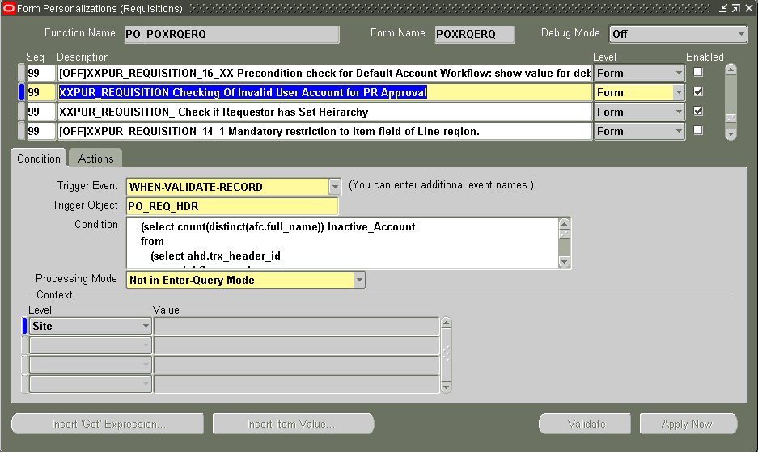

 | Script

 | (select count(distinct(afc.full_name)) Inactive_Account |  | Scope of the validation (Sample Hierarchy)
 | from
 | (select ahd.trx_header_id
 | ,ahd.flow_version_num
 | ,ahd.section_identifier |  | TRX_LINE_ID | TRX_HEADER_ID | EMPLOYEE_ID | FULL_NAME | USER_ID | USER_NAME | POSITION_ID | POSITION | POSITION_SEQUENCE | APPROVAL_GROUP | CHANGED_FLAG | CURRENT_POSITION_FLAG | CREATED_BY | CREATION_DATE | LAST_UPDATED_BY | LAST_UPDATE_DATE
 | ,aln.employee_id |  | 8303 | 996 | 14283 | IIJIMA, Mr. TOSHIAKI | 10560 | E5003210 | 3554 | ISD_DEPT_HEAD | 8 | BUDGET GROUP |  | Y | 11309 | 4/30/18 | 4860 | 5/21/18
Create a new script to capture all of the approvers in the hierarchy. It will notify if any members of the hierarchy is inactive including the department head.
 | ,aln.full_name |  | 8298 | 996 | 1398 | TAHAL, Mr. NUSURUDIN ANSIONG | 4866 | Z0058TIP | 3590 | ISD6_BGT_MGR | 7 | BUDGET GROUP |  | Y | 11309 | 4/30/18 | 4860 | 5/21/18
 | ,aln.user_id |  | 8297 | 996 | 1208 | JACOB, Mr. EMMANUEL BATUIGAS | 4297 | Z0588TIP | 3591 | ISD6_BGT_SV | 6 | BUDGET GROUP |  | Y | 11309 | 4/30/18 | 4860 | 5/21/18
 | ,aln.position_id |  | 8301 | 996 | 3489 | CABISADA, Mr. CARLO JARITO | 4467 | Z1636TIP | 3592 | ISD6_CMT | 5 | CMT GROUP |  | Y | 11309 | 4/30/18 | 4860 | 5/21/18
 | ,aln.position |  | 8302 | 996 | 3489 | CABISADA, Mr. CARLO JARITO | 4467 | Z1636TIP | 3593 | ISD6_GPT | 4 | GPT GROUP |  | Y | 11309 | 4/30/18 | 4860 | 5/21/18
 | ,aln.position_sequence |  | 829900% | 99600% | 145500% | REFRAN, Ms. JONAH CUENCA | 555300% | Z2110TIP | 359400% | ISD6_MGR | 3 | REQUESTING GROUP |  | Y | 11309 | 4/30/18 | 4860 | 5/21/18
 | from |  | 830000% | 99600% | 260300% | OCAMPO, Mr. MICHAEL TRINIDAD | 565300% | Z2151TIP | 359600% | ISD6_SV | 2 | REQUESTING GROUP |  | Y | 11309 | 4/30/18 | 4860 | 5/21/18
 | (select * |  | 830400% | 99600% | 451100% | BAUTISTA, Ms. PRINCESS FAYE MERCADO | 448900% | Z1726TIP | 359500% | ISD6_REQ | 1 | REQUESTING GROUP |  | Y | 11309 | 4/30/18 | 4860 | 5/21/18
 | from (select trx_header_id |  | 830500% | 99600% | 1664600% | DE VILLA, Mr. RON EZREL ALIMAGNO | 1130900% | Z6933TIP | 359500% | ISD6_REQ | 1 | REQUESTING GROUP |  | Y | 11309 | 4/30/18 | 4860 | 5/21/18
 | ,status |  | 8306 | 996 | 3295 | SOLAS, Mr. KIM RICHARD SALVACION | 11310 | Z5879TIP | 3595 | ISD6_REQ | 1 | REQUESTING GROUP | X | Y | 11309 | 2018-04-30 | 4860 | 5/21/18
 | , flow_version_num
 | , section_identifier
 | , max(flow_version_num) over (partition by section_identifier) max_flow
 | from XXPUR_PRPO_AFC_HDR
 | where status = 'ACTIVE')
 | where flow_version_num = max_flow) ahd,
 | (select trx_header_id AFC_HEADER_ID
 | ,employee_id
 | ,full_name
 | ,user_id
 | ,position_id
 | ,position
 | ,position_sequence
 | , max(position_sequence) over (partition by trx_header_id) maxpositionseq |  |  | See the attached PPT for more reference
 | from xxpur_prpo_afc_line) aln
 | where ahd.trx_header_id = aln.AFC_HEADER_ID) afc,
 | fnd_user fnd,
 | hr_positions_f hrp,
 | xxpur_prpo_afc_line alne
 | where afc.user_id = fnd.user_id
 | and fnd.end_date is not null
 | and hrp.effective_end_date > (sysdate)
 | and hrp.position_id = alne.position_id
 | and alne.trx_header_id = afc.trx_header_id
 | and hrp.position_id = :PO_REQ_HDR.ATTRIBUTE5) > 0

Helpdesk Request
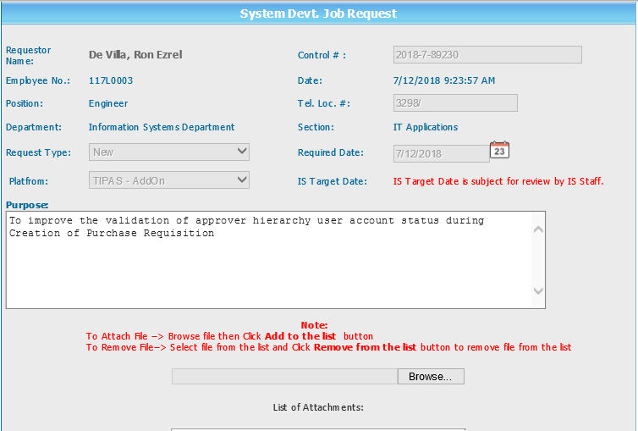
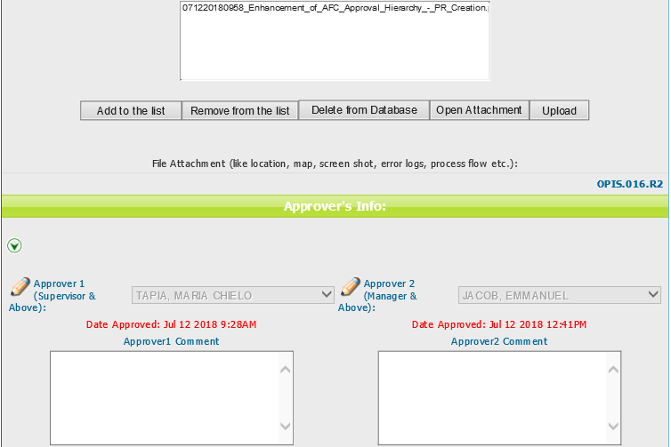
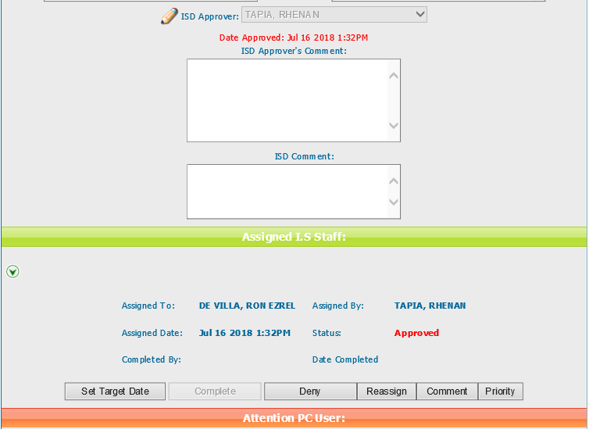
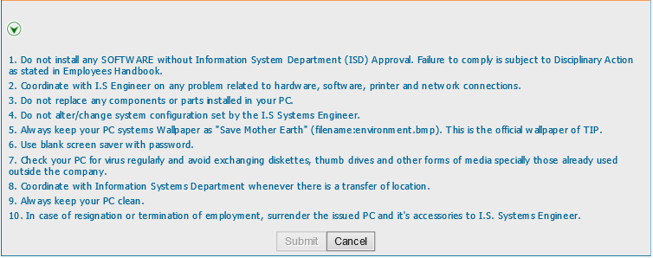
Helpdesk Request

 | ATTACH SCREENSHOT OF HELPDESK REQUEST.

